Sheet1
S.No | SGI REMARKS (09-09-2024) | SIT REMARKS(09-09-2024)
1 | In Proposal form " Policy start time - Policy End time" is not being captured" | ISSUE | Policy start date / end date timings should be fetch.
2 | OTP verified wording shall be mentioned in the proposer declaration section as well. | CR | OTP verified wording shall be mentioned in the Signature
3 | Risk category details and plan type details are not coming on the "Digital proposal form"., highlighted in yellow color for reference. | ISSUE | User entered risk category should be fetch,
4 | CKYC field in proposal form : keep the CKYC field as blank by default, do not fetch the CKYC data and populate in digital form, as digital form is being created at the instant the policy issued, we can't print the details which were not being filled at the time of proposal form filling. | CR | keep the CKYC field as blank by default
5 | Use bullet points in the declaration paragraph, highlighted in green color in attachment. | CR | 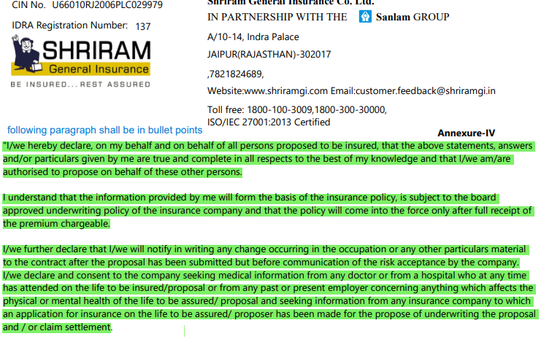
6 | change the content. | CR

 | active both worddings

 | 10000 = full + exp

 | chennai blank + exp

